MIG
 |  |  |  |  | 29.05.2015
Welding Cost details

 |  | Fillet
Description |  | 3 , 4 mm | 5 mm | 6 mm | 8 mm

Wire Used | Kg / m | 0.095 | 0.150 | 0.180 | 0.220 | 3m = 200gm Wire Consumed |  |  |  | 93.75
Wire Cost | Rs / Kg | 72 | 72 | 72 | 72 | Supp 1 = Rs.72/Kg ; Supp2 = Rs.75/Kg | C70k0016 : My van rs.72 /kg patel rs.92/kg
Wire cost per metre weld | Rs/ m | 6.84 | 10.80 | 12.96 | 15.84 | Upto 4 mm 0.8 dia wire ; above 4mm 1.2 dia wire

Shielding Gas flow rate | Litre/min | 12 | 13 | 15 | 15 | Supp 1 = 10L/min ; Supp2 = 15L/min
Welding time | min / m | 3.83 | 5.00 | 5.00 | 7.66 | Welding time varies with Weld person. Ranges from 2.5 min/m to 3 min/m
Gas Cost per m3 | Rs / m3 | 72 | 72 | 72 | 72 | Linde Rs.54/cum (Deposit = Rs.2.5Lakhs) ; Sundaram Gas = Rs.72/cum (Deposit Rs.14000/Cyl)
Gas Used | Litre / m | 46.0 | 65.0 | 75.0 | 114.9 | C10C0006 = Rs.90/cum
Gas Cost | Rs / litre | 0.07 | 0.07 | 0.07 | 0.07 |  | 3.8333333333 | 5.0
Shielding gas cost per metre weld | Rs/ m | 3.31 | 4.68 | 5.40 | 8.27 |  | 230 | 45.96
 |  |  |  |  |  |  |  | 3.312 |  |  | 180
Welder Labour rate | Rs / Hr | 100 | 100 | 100 | 100 | Rs.15000 - Welder salary p.m | 15000 | 100
Helper Labour rate | Rs / Hr | 75 | 75 | 75 | 75 | Rs.7500 - Helper salary p.m. Assumed 1 helper for 2 Welders | 7500 | 75
Total Weld time | sec / m | 3.83 | 5.00 | 5.00 | 7.66 | For 6, 8mm fillet weld - 2 helper considered
Labour cost per metre weld | Rs/ m | 11.17 | 14.58 | 14.58 | 22.34 |  | 11.170833333

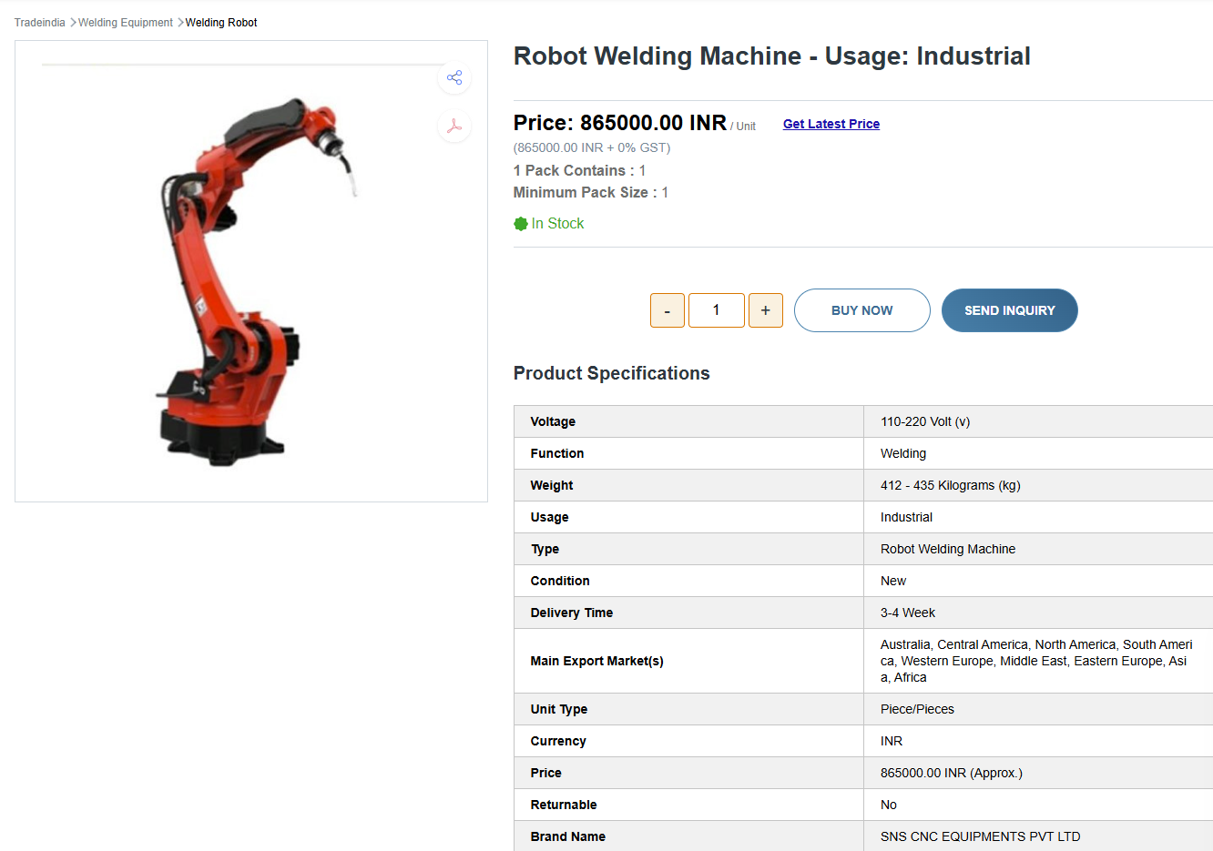
Weld Current | Amp | 170 | 200 | 220 | 280 |  |  |  |  | 4779 | Duty cycle: the cycle of operation of a machine or other device which operates intermittently rather than continuously.
Weld Voltage | Volt | 20 | 24 | 25 | 28 |  |  |  |  |  | welding duty cycle = 60%
Power cost | Rs / KwH | 9.4 | 9.4 | 9.4 | 9.4 | 80 % EB ; 20% DG assumed |  | 0.22
Total Weld time | sec / m | 3.83 | 5.00 | 5.00 | 7.66 |  |  | unit/m |  | 2.0401133333
Power cost per metre weld | Rs/ m | 2.04 | 3.76 | 4.31 | 9.41
 |  |  |  |  |  | 8 Hr * 25 days * 12 Mon | 2400 | hrs
Fixed Cost
Machine Depreciation | Rs/ m | 4.60 | 6.01 | 6.01 | 9.20 | Machine price | 865,000
Interest Cost | Rs/ m | 2.76 | 3.60 | 3.60 | 5.52 | Depreciated over | 5 | years
Interest for Deposit (Refundable) | Rs/ m | 0.41 | 0.41 | 0.41 | 0.41 |  |  |  | 80,000 | m / year
Machine Maintenance Cost | Rs/ m | 1.15 | 1.50 | 1.50 | 2.30 | Deprecitation cost | 173,000 | per year
Space Cost | Rs/ m | 1.60 | 2.08 | 2.08 | 3.19 | Interest Cost | 103,800 | Interest 12%
Accessories Cost | Rs/ m | 3.62 | 4.73 | 5.78 | 8.85 | Maintenance cost | 43,250 | 5% of Mc cost
Total Fixed Cost | Rs/ m | 14.14 | 18.34 | 19.39 | 29.48 | Space cost | 60,000 | 100sqft assumed @ Rs.50/sqft p.m
 |  |  |  |  |  | Accessories cost | 136,230
Total Cost per metre Weld | Rs/ m | 37.50 | 52.16 | 56.64 | 85.34 |  | 516,280
Rounded off | Rs/ m | 24.00 | 35.00 | 43.00 | 64.00
 |  |  |  |  |  | shoes | 2400 | 6 months once
 |  |  |  |  |  | apron | 10000 | weekly once
 |  |  |  |  |  | goggles | 1500 | Daily | Rs.5 /pc
 |  |  |  |  |  | gloves | 8000 | 3 days once | 18" =Rs.70/pc ; 10" = Rs.10/pc
 |  |  |  |  |  | weld tip | 8400 | 2 days once | C70N0173 = Altech Rs.48 ; Fairdeal = Rs.56
 |  |  |  |  |  | nozzle | 1200 | Monthly once
 |  |  |  |  |  | mask | 4200 | 3 days once | C75N0011 = Mukund Rs.42/pc
 |  |  |  |  |  | Shield glass | 1250 | weekly once | Rs.25 /pc
 |  |  |  |  |  | ear plug | 900 | Daily | Rs.3 /pc |  | spray
 |  |  |  |  |  | Silicon Gel | 10000 | weekly once | Rs.200/250g |  | C75N0016 = GR&Com Rs.100/pc
 |  |  |  |  |  | Helmet | 600 | yearly once
 |  |  |  |  |  | Black Glass | 360 | 3 month once | Rs.90 /pc
 |  |  |  |  |  | Hand sleeves | 600 | 3 month once | Rs.150 /pc
 |  |  |  |  |  | Leg Guard | 320 | 3 month once | Rs.80 /pc
 |  |  |  |  |  | Total | 49730 | per year

 |  |  |  |  |  | Helper accessories | 30130

